FRONT PAGE
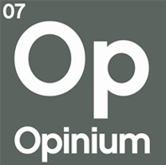
 | Misperception of Muslims - UK nat rep gen pop
 | Concordia Forum

The following tables represent the results of research conducted by Opinium Research. If the base is not otherwise specified, then the results in that table reflect the full sample.

 RESEARCH OVERVIEW

FIELD DATES | | 5th - 7th November 2025
SAMPLE | | Weighted to be politically and nationally representative
WEIGHTING | | 2,050 UK Adults

In instances where the base size falls below 50 respondents, figures should be seen as indicative only. We advise against using these figures when reporting, unless appropriate caveats are provided.

Opinium Research is a member of the British Polling Council and abides by its rules. Under these rules we are required, when requested, to make information available from survey results that have entered the public domain. These include, but are not limited to, the name of commissioning client, fieldwork dates, methodology, size and composition of sample, and data tables showing the text of the questions asked, the order in which they were asked and the answers given to them. This does not apply to research not used for public domain purposes such as internal research to inform communications or strategy.

