FRONT PAGE
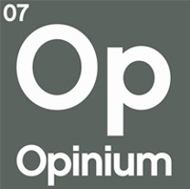

 | UK23200 TBI |  | 2023-08-14
 | August Scotland Poll

The following tables represent the results of research conducted by Opinium Research. If the base is not otherwise specified, then the results in that table reflect the full sample.

 RESEARCH OVERVIEW

FIELD DATES | | 5th - 14th September 2023
SAMPLE | | 1,004 Adults in Scotland
WEIGHTING | | Weighted to be nationally and politically representative

In instances where the base size falls below 50 respondents, figures should be seen as indicative only. We advise against using these figures when reporting, unless appropriate caveats are provided.

For more information or research related enquires please contact |  | research@opinium.co.uk

