FRONT PAGE
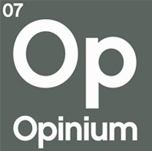

 | US Omnibus Political Questions |  | 2021-09-09

The following tables represent the results of research conducted by Opinium Research. If the base is not otherwise specified, then the results in that table reflect the full sample.

 RESEARCH OVERVIEW

FIELD DATES | | Friday, September 3 - Thursday, September 9
SAMPLE | | 2006 US Adults
WEIGHTING | | Results weighted by nationally representative criters

In instances where the base size falls below 50 respondents, figures should be seen as indicative only. We advise against using these figures when reporting, unless appropriate caveats are provided.

For more information or research related enquires please contact |  | hello@opinium.com

