FRONT PAGE
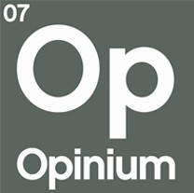

 | Workplace Culture- Sexual Harassment |  | 2017-10-25
 | Opinium Research

The following tables represent the results of research conducted by Opinium Research. If the base is not otherwise specified, then the results in that table reflect the full sample.

 RESEARCH OVERVIEW

FIELD DATES | | 29 August to 14 September 2017
SAMPLE | | 2,000 online interviews with UK workers
WEIGHTING | | Our sample has been weighted to reflect a nationally representative audience

In instances where the base size falls below 50 respondents, figures should be seen as indicative only. We advise against using these figures when reporting, unless appropriate caveats are provided.



For more information or research related enquires please contact |  | research@opinium.co.uk

